Table OLSS
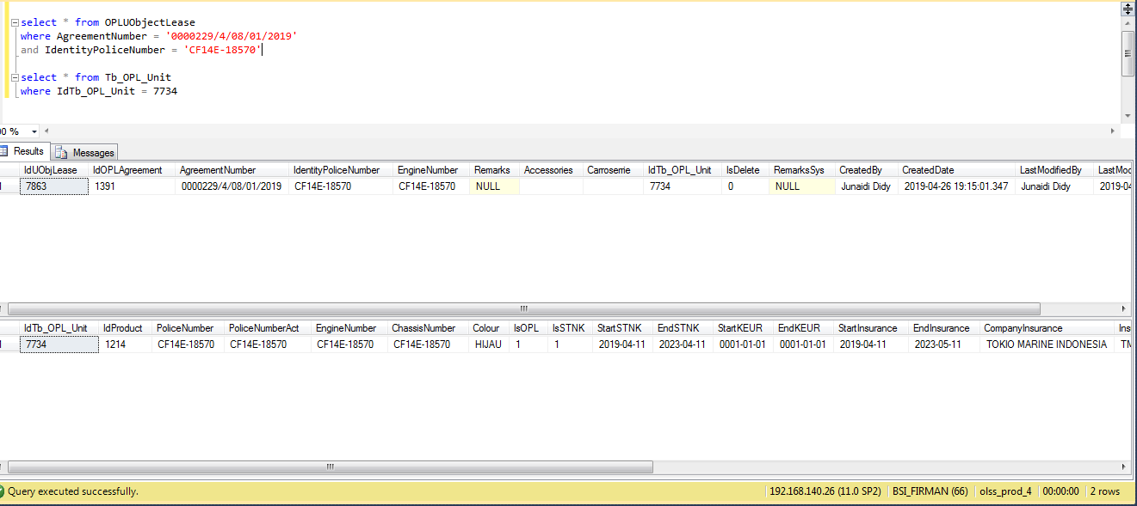
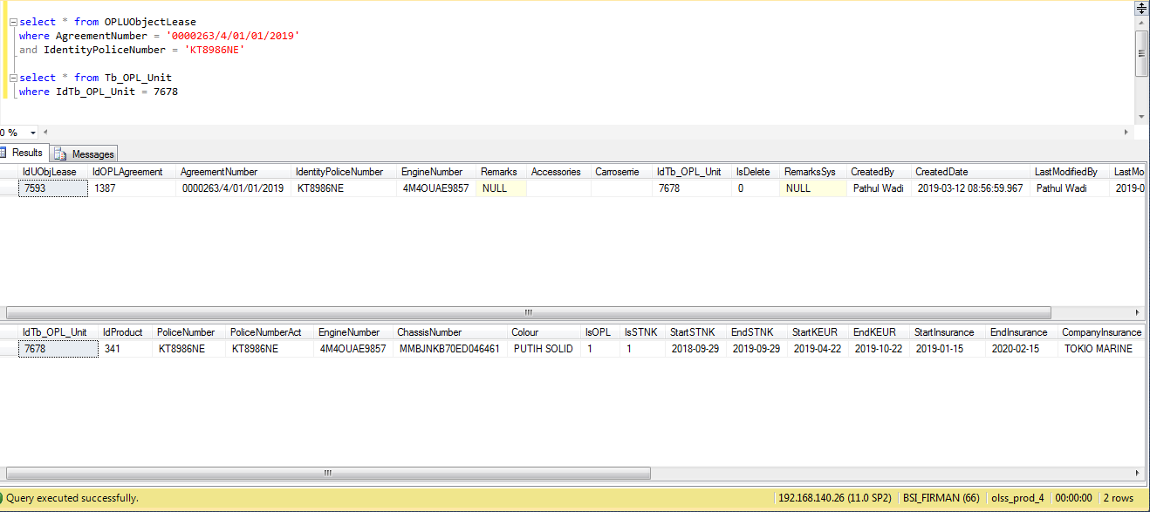
BEFORE

OPLUObjectLease
IdUObjLease | IdOPLAgreement | AgreementNumber | IdentityPoliceNumber | EngineNumber | Remarks | Accessories | Carroserrie | IdTb_OPL_Unit | IsDelete | RemarksSys | CreatedBy | CreatedDate | LastModifiedBy | LastModifiedDate
7863 | 1391 | 0000229/4/08/01/2019 | E-18570 | NULL | NULL |  |  | 7734 | 0 | NULL | Junaidi Didy | 2019-04-26 19:15:01.347 | Junaidi Didy | 2019-04-26 19:15:01.347

Tb_OPL_Unit
IdTb_OPL_Unit | IdProduct | PoliceNumber | PoliceNumberAct | EngineNumber | ChassisNumber | Colour | IsOPL | IsSTNK | StartSTNK | EndSTNK | StartKEUR | EndKEUR | StartInsurance | EndInsurance | CompanyInsurance | InsuranceNumber | SPPANumber | ProgressStatus | ProgressKeur | IsDelete | RemarksSys | CreatedBy | CreatedDate | LastModifiedBy | LastModifiedDate
7734 | 1214 | E-18570 | E-18570 | CF14E-18570 | E-18570 | HIJAU | 1 | 1 | 2019-04-11 | 2023-04-11 | 0001-01-01 | 0001-01-01 | 2019-04-11 | 2023-05-11 | TOKIO MARINE INDONESIA | TMD/AORF/19-A | NULL | 8 | NULL | 0 | Updated STNK | Junaidi Didy | 2019-04-26 19:15:01.347 | Pathul Wadi | 2019-07-11 12:45:40.810

AFTER

OPLUObjectLease
IdUObjLease | IdOPLAgreement | AgreementNumber | IdentityPoliceNumber | EngineNumber | Remarks | Accessories | Carroserrie | IdTb_OPL_Unit | IsDelete | RemarksSys | CreatedBy | CreatedDate | LastModifiedBy | LastModifiedDate
7863 | 1391 | 0000229/4/08/01/2019 | CF14E-18570 | CF14E-18570 | NULL |  |  | 7734 | 0 | NULL | Junaidi Didy | 2019-04-26 19:15:01.347 | Junaidi Didy | 2019-04-26 19:15:01.347

Tb_OPL_Unit
IdTb_OPL_Unit | IdProduct | PoliceNumber | PoliceNumberAct | EngineNumber | ChassisNumber | Colour | IsOPL | IsSTNK | StartSTNK | EndSTNK | StartKEUR | EndKEUR | StartInsurance | EndInsurance | CompanyInsurance | InsuranceNumber | SPPANumber | ProgressStatus | ProgressKeur | IsDelete | RemarksSys | CreatedBy | CreatedDate | LastModifiedBy | LastModifiedDate
7734 | 1214 | CF14E-18570 | CF14E-18570 | CF14E-18570 | CF14E-18570 | HIJAU | 1 | 1 | 2019-04-11 | 2023-04-11 | 0001-01-01 | 0001-01-01 | 2019-04-11 | 2023-05-11 | TOKIO MARINE INDONESIA | TMD/AORF/19-A | NULL | 8 | NULL | 0 | Updated STNK | Junaidi Didy | 2019-04-26 19:15:01.347 | Pathul Wadi | 2019-07-11 12:45:40.810

